Sheet1
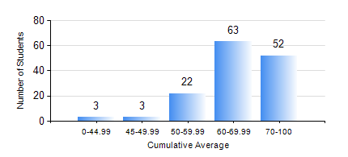
 |  |  | KWAME NKRUMAH UNIVERSITY OF SCIENCE AND TECHNOLOGY, KUMASI Department of Geological Engineering

 |  |  | BSC. GEOLOGICAL ENG.

 |  |  | COMPREHENSIVE RECORD OF EXAMINATION RESULTS

 |  |  | RESULTS OF YEAR 3 SECOND SEMESTER, 2020/2021 ACADEMIC YEAR

 | Sn | Course Code |  | Course Name | Credit Hours | Min. Mark | Max. Mark | Avg. Mark | Std. Dev. | No. Passed | No. Trailed | No. (Df) | No. (I) | No. (I*) | No. Tagged(I,I*,Df) | Total
 | 0. |  |  |  |  |  |  | 0 | 0 | 0 | 0 | 0 | 0 | 0 | 0 | 6
 | 1. | CE 360 |  | FOUNDATION ENGINEERING | 3 | 0 | 82 | 54 | 11.8 | 127 | 10 | 0 | 0 | 0 | 0 | 137
 | 2. | GED 342 |  | MINING PRINCIPLES | 2 | 0 | 94 | 70 | 14.95 | 135 | 2 | 0 | 0 | 0 | 0 | 137
 | 3. | GED 352 |  | PRINCIPLES OF GEOCHEMISTRY | 2 | 0 | 88 | 62 | 13.83 | 133 | 4 | 0 | 0 | 0 | 0 | 137
 | 4. | GED 354 |  | PRINCIPLES OF GEOPHYSICS | 3 | 0 | 87 | 57 | 15.25 | 123 | 13 | 0 | 1 | 0 | 1 | 137
 | 5. | GED 364 |  | STRUCTURAL GEOLOGY | 3 | 0 | 76 | 52 | 10.28 | 131 | 6 | 0 | 0 | 0 | 0 | 137
 | 6. | GED 366 |  | MINERAL ECONOMICS AND EVALUATION | 3 | 0 | 91 | 61 | 15.24 | 130 | 7 | 0 | 0 | 0 | 0 | 137
 | 7. | GED 368 |  | GIS APPLICATIONS | 2 | 0 | 90 | 70 | 13.27 | 135 | 2 | 0 | 0 | 0 | 0 | 137

